Arkusz1
Kitchenmaster milk coolers.
 |  |  |  |  |  |  |  |  |  |  | Demo Advertising Services Edyta Wiśniewska
 |  |  |  |  |  |  |  |  |  |  | Turmoncka 22/1103, 03-254 Warsaw
 |  |  |  |  |  |  |  |  |  |  | Tax ID 118-021-92-60
 |  |  |  |  |  |  |  |  |  |  | mobile +48608010377
Price list 01.01.2026 with product availability as of 28.04.2026 |  |  |  |  |  |  |  |  |  |  | m.wisniewski@kitchenmaster.pl
 |  |  |  |  |  |  |  |  |  |  | www.kitchenmaster.pl
Product code | EAN | Description | Weight | Dim. | Material | Color | Packaging method | Carton dim. | N.W./CTN | G.W./CTN | Suggested gross retail price € | Net wholesale price € | Minimum wholesale order quantity | Photo
 |  |  | (kg) | (cm) |  |  |  | (cm) | (kg) | (kg) |  |  | pcs.
ETC 4 | 5905311721703 | 4-liter thermoelectric milk cooler, black housing, power supply 100V-240V, 50/60Hz, power 40W. Two openings on the sides of the unit for connecting a coffee machine milk line of any diameter | 2.0 | 28,0 x 18,0 x 26,0 | ABS plastic | black | carton, 4 pcs | 31,0 x 31,0 x 86,0 | 8 | 10 | 69 | 27 | 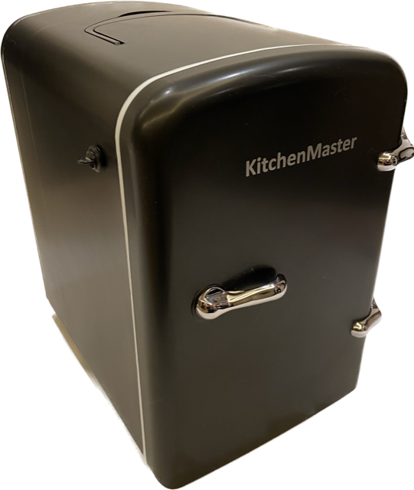 4 |  | Awaiting delivery
ETC 6 | 5905311721789 | 6-liter thermoelectric milk cooler, black housing, power supply 100V-240V, 50/60Hz, power 40W. Two openings on the sides of the unit for connecting a coffee machine milk line of any diameter | 2.25 | 23,5 x 30,0 x 31,0 | ABS plastic | black | carton, 4 pcs | 29.5 x 41.3 x 54.8 | 9 | 11 | 83 | 47 | 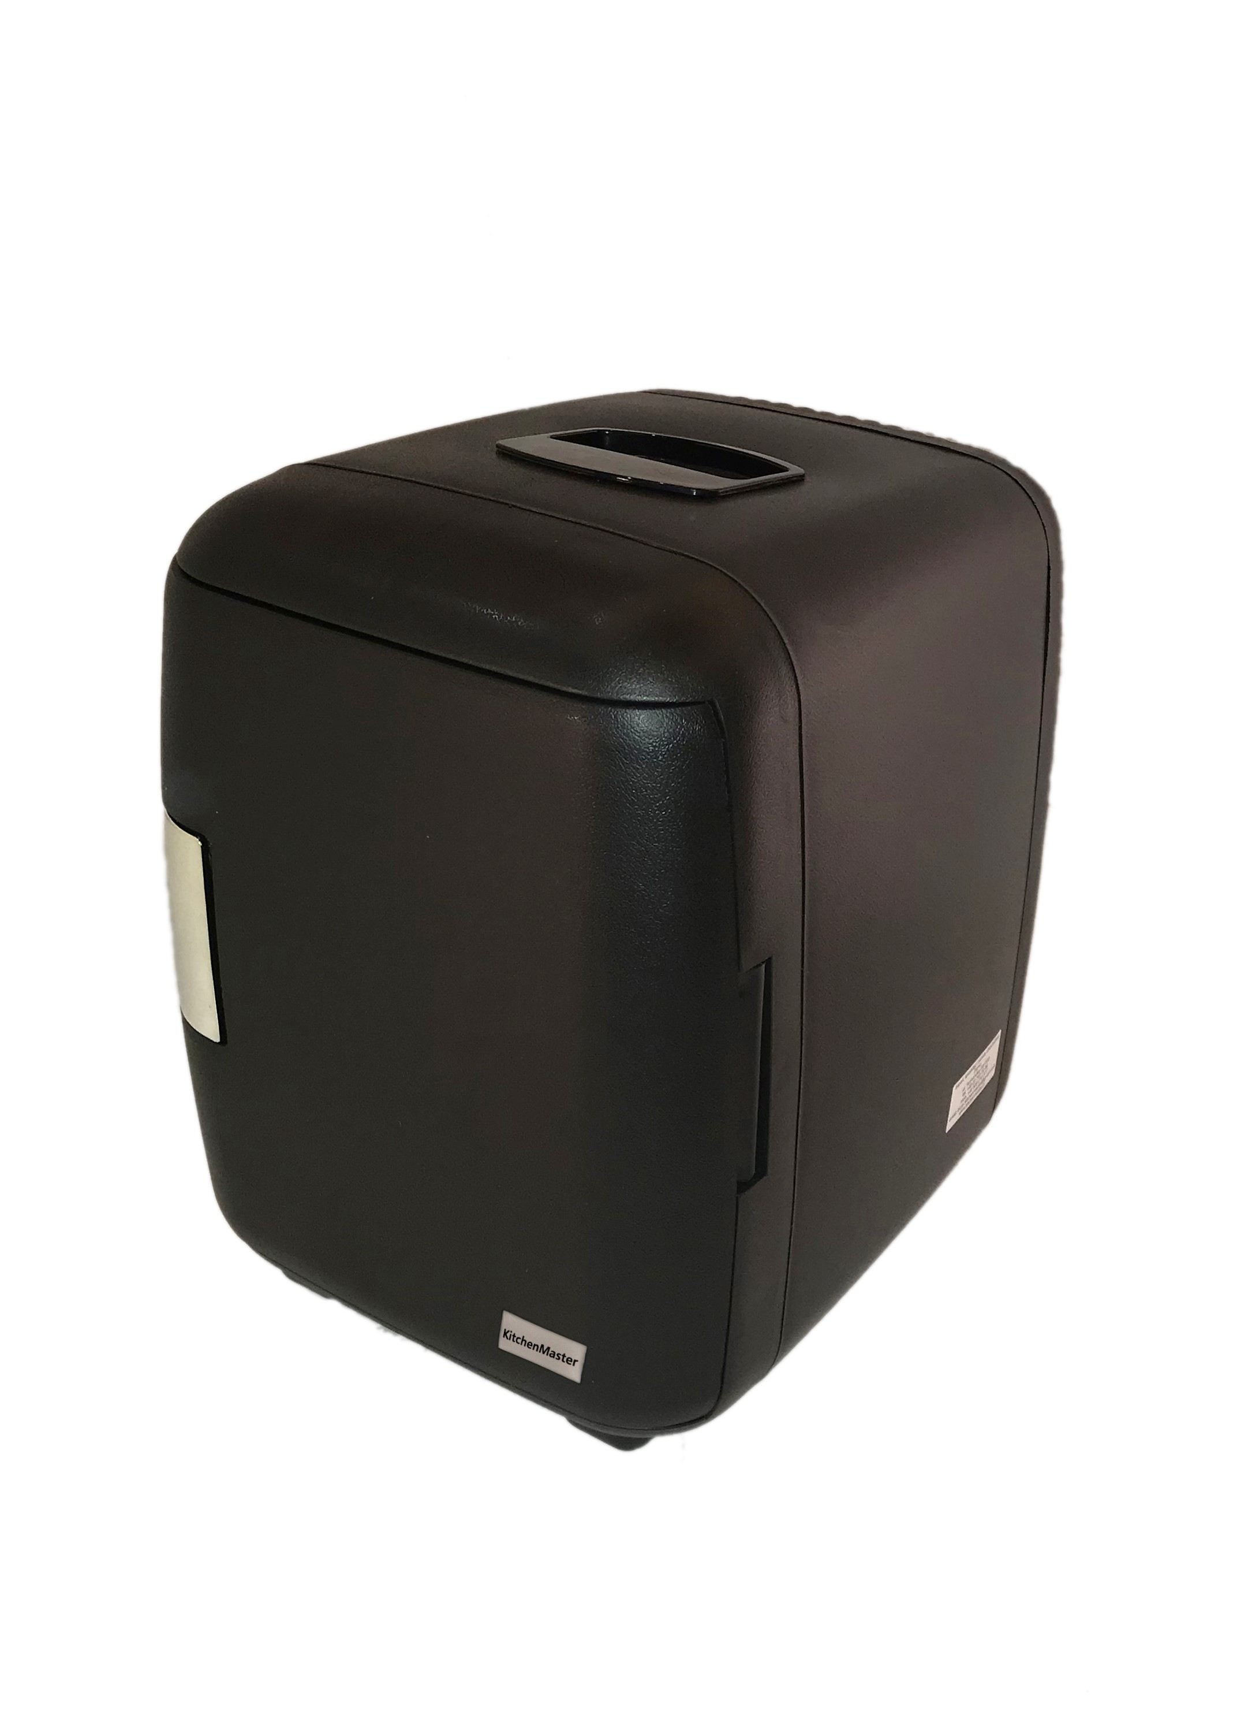 4
ETC 9 | 5905311721710 | 9-liter thermoelectric milk cooler, power supply 110-230V/50Hz-60Hz, power 48W, two openings on both sides for inserting the milk line. | 3.3 | 25.2 x 36 x 51.5 | ABS plastic | black | carton, 3 pcs | 29.5 x 41.3 x 54.8 | 8 | 10 | 119 | 68 | 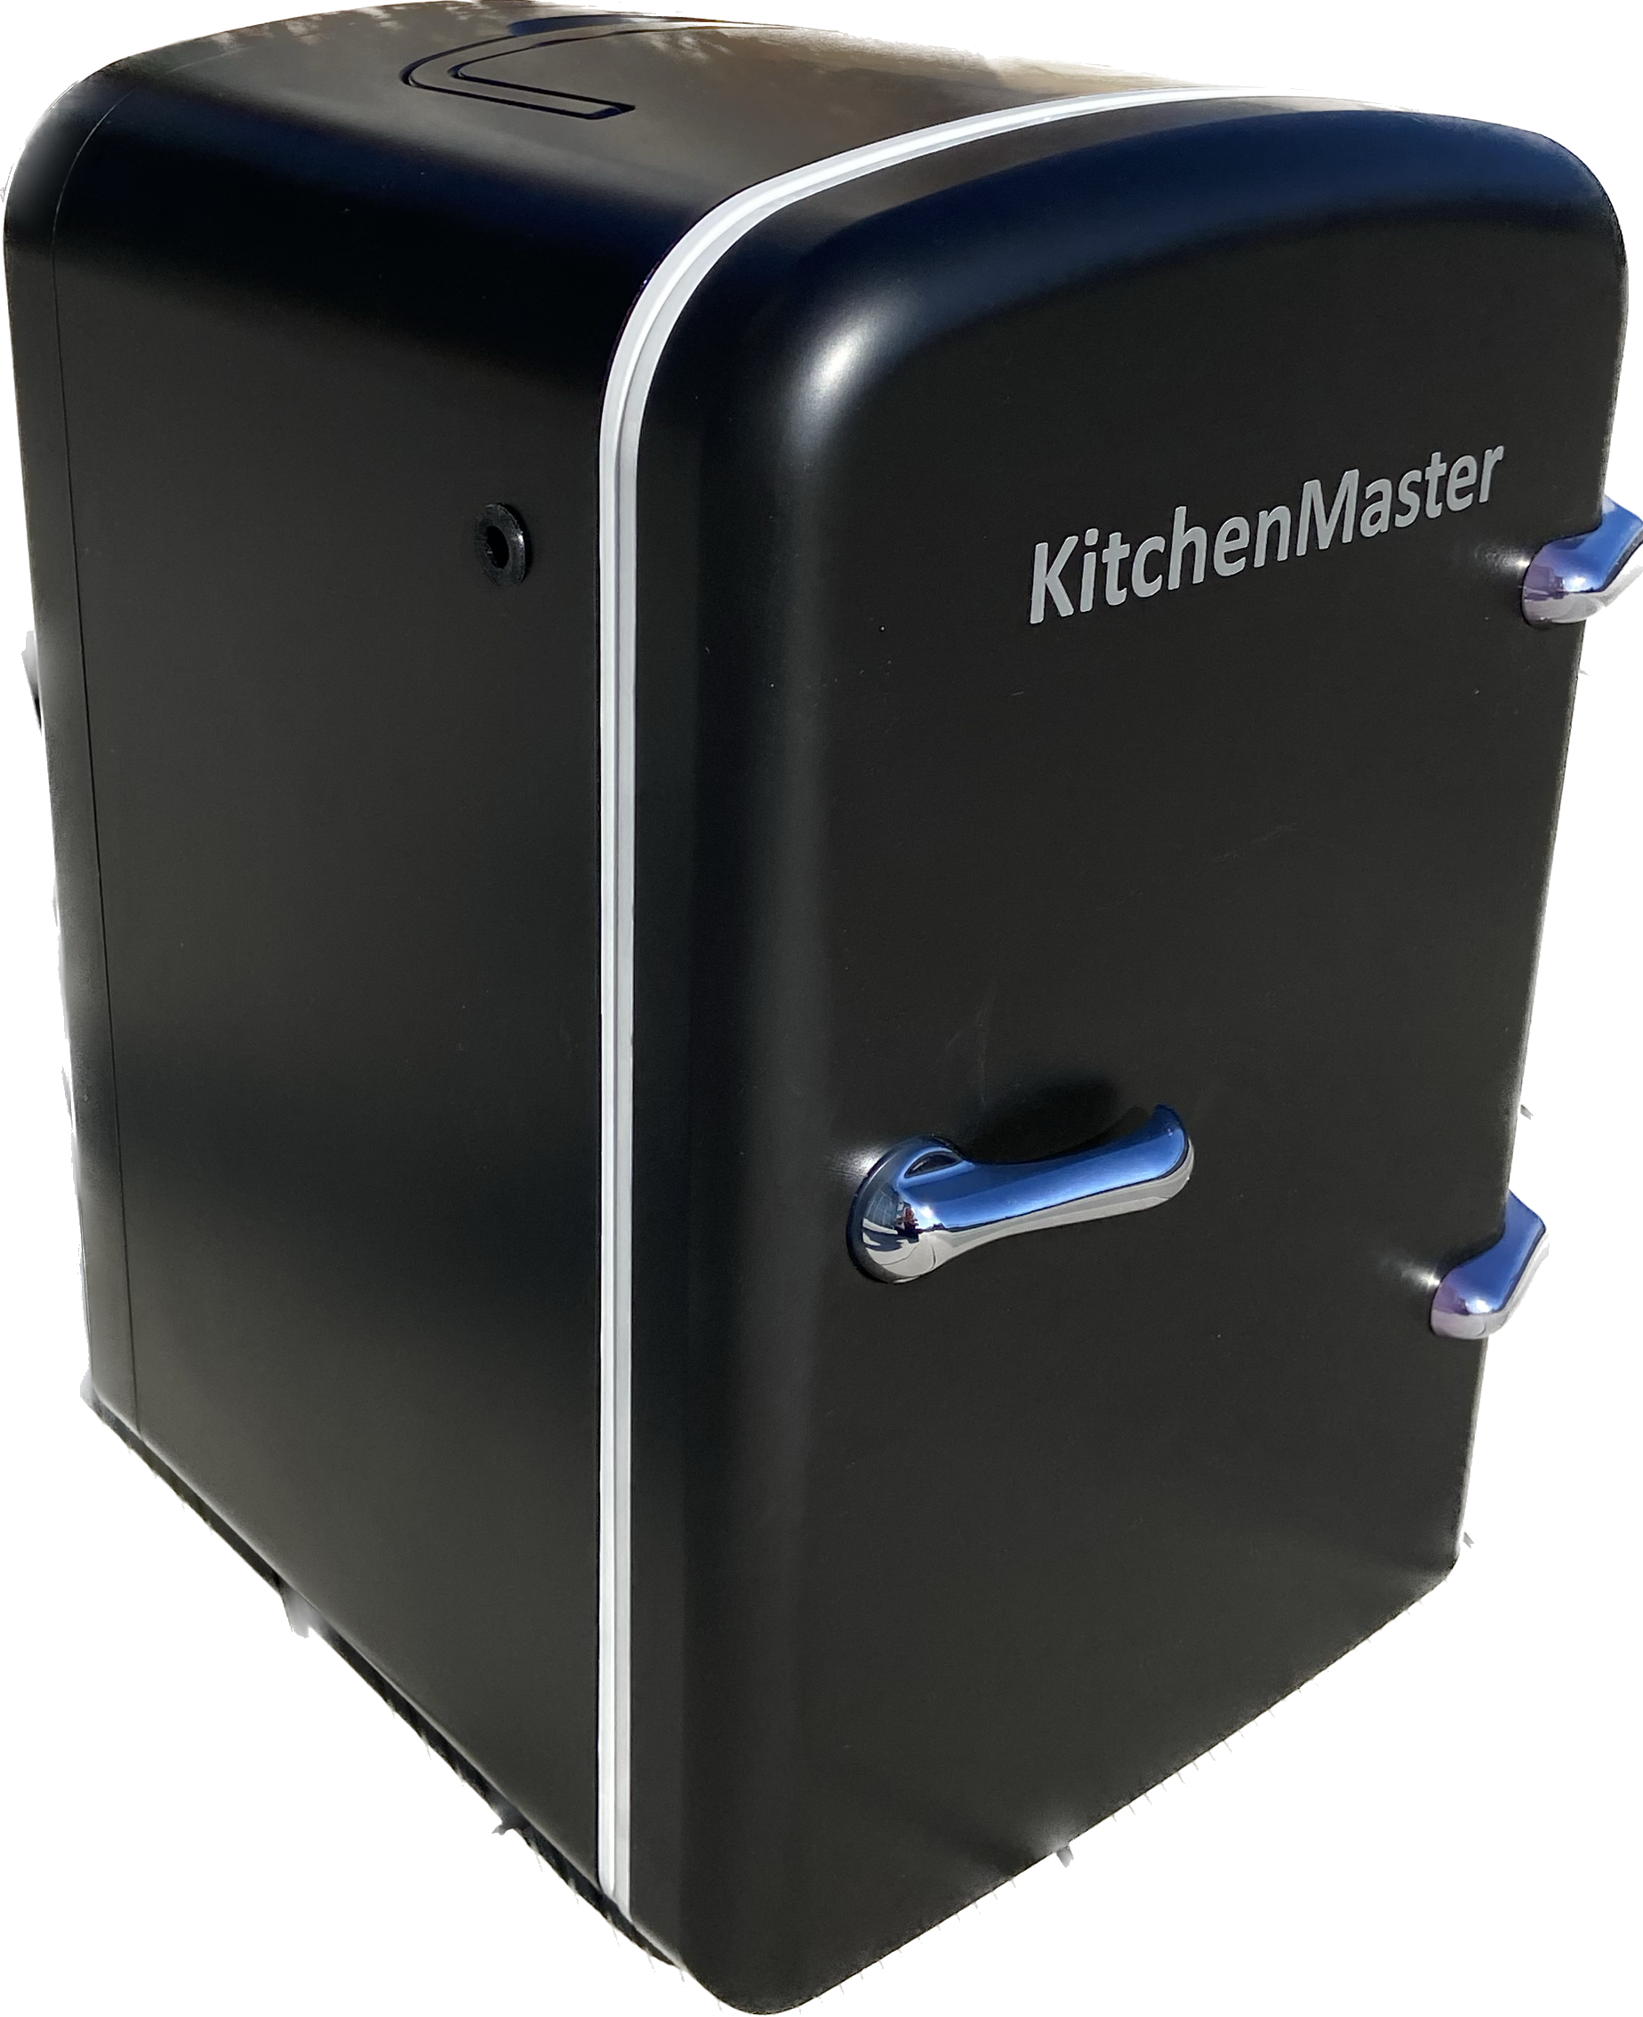 1 |  | Awaiting delivery.
BC9 N | 5906449366057 | 9-liter compressor milk cooler, power supply 110-230V/50Hz-60Hz, two openings on each side for inserting the milk line, internal temperature range 0-4°C, LED interior lighting, R 600 refrigerant, optional polycarbonate milk container with 4.5-liter usable capacity, key lock | 12 | 22,0 x 45,2 x 37,6 | metal, plastic | black with metal front | carton, 1 pc | 29,0 x 53,0 x 44,5 | 12 | 14.1 | 333 | 190 | 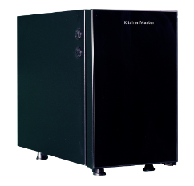 1
MC6RD | 5906449366033 | 6.6-liter compressor milk cooler, power supply 200-240V/50Hz-60Hz, two openings on each side for inserting the milk line, internal temperature range 0-6°C with electronic control, LED interior lighting with switch, optional milk container with 3.8-liter capacity, audible and visual low milk level sensor, R 600 refrigerant, reversible door opening direction, lockable door | 12.7 | 22,0 x 38,5 x 39,5 | metal, plastic, glass | black | carton, 1 pc | 29,0 x 46,5 x 46,5 | 12.7 | 15 | 405 | 230 | 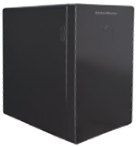 1 |  | Awaiting delivery
MC8DBS | 590644936064 | 9-liter compressor milk cooler, power supply 110-230V/50Hz-60Hz, two openings on each side for inserting the milk line, internal temperature range 0-4°C with electronic control, LED interior lighting with switch, optional milk container with 4.5-liter capacity, audible and visual low milk level sensor, R 600 refrigerant, lockable door | 12.7 | 24,0 x 45,0 x 36,5 | metal, plastic, glass | black | carton, 1 pc | 31,5 x 53,0 x 45,5 | 12.7 | 15 | 429 | 244 | 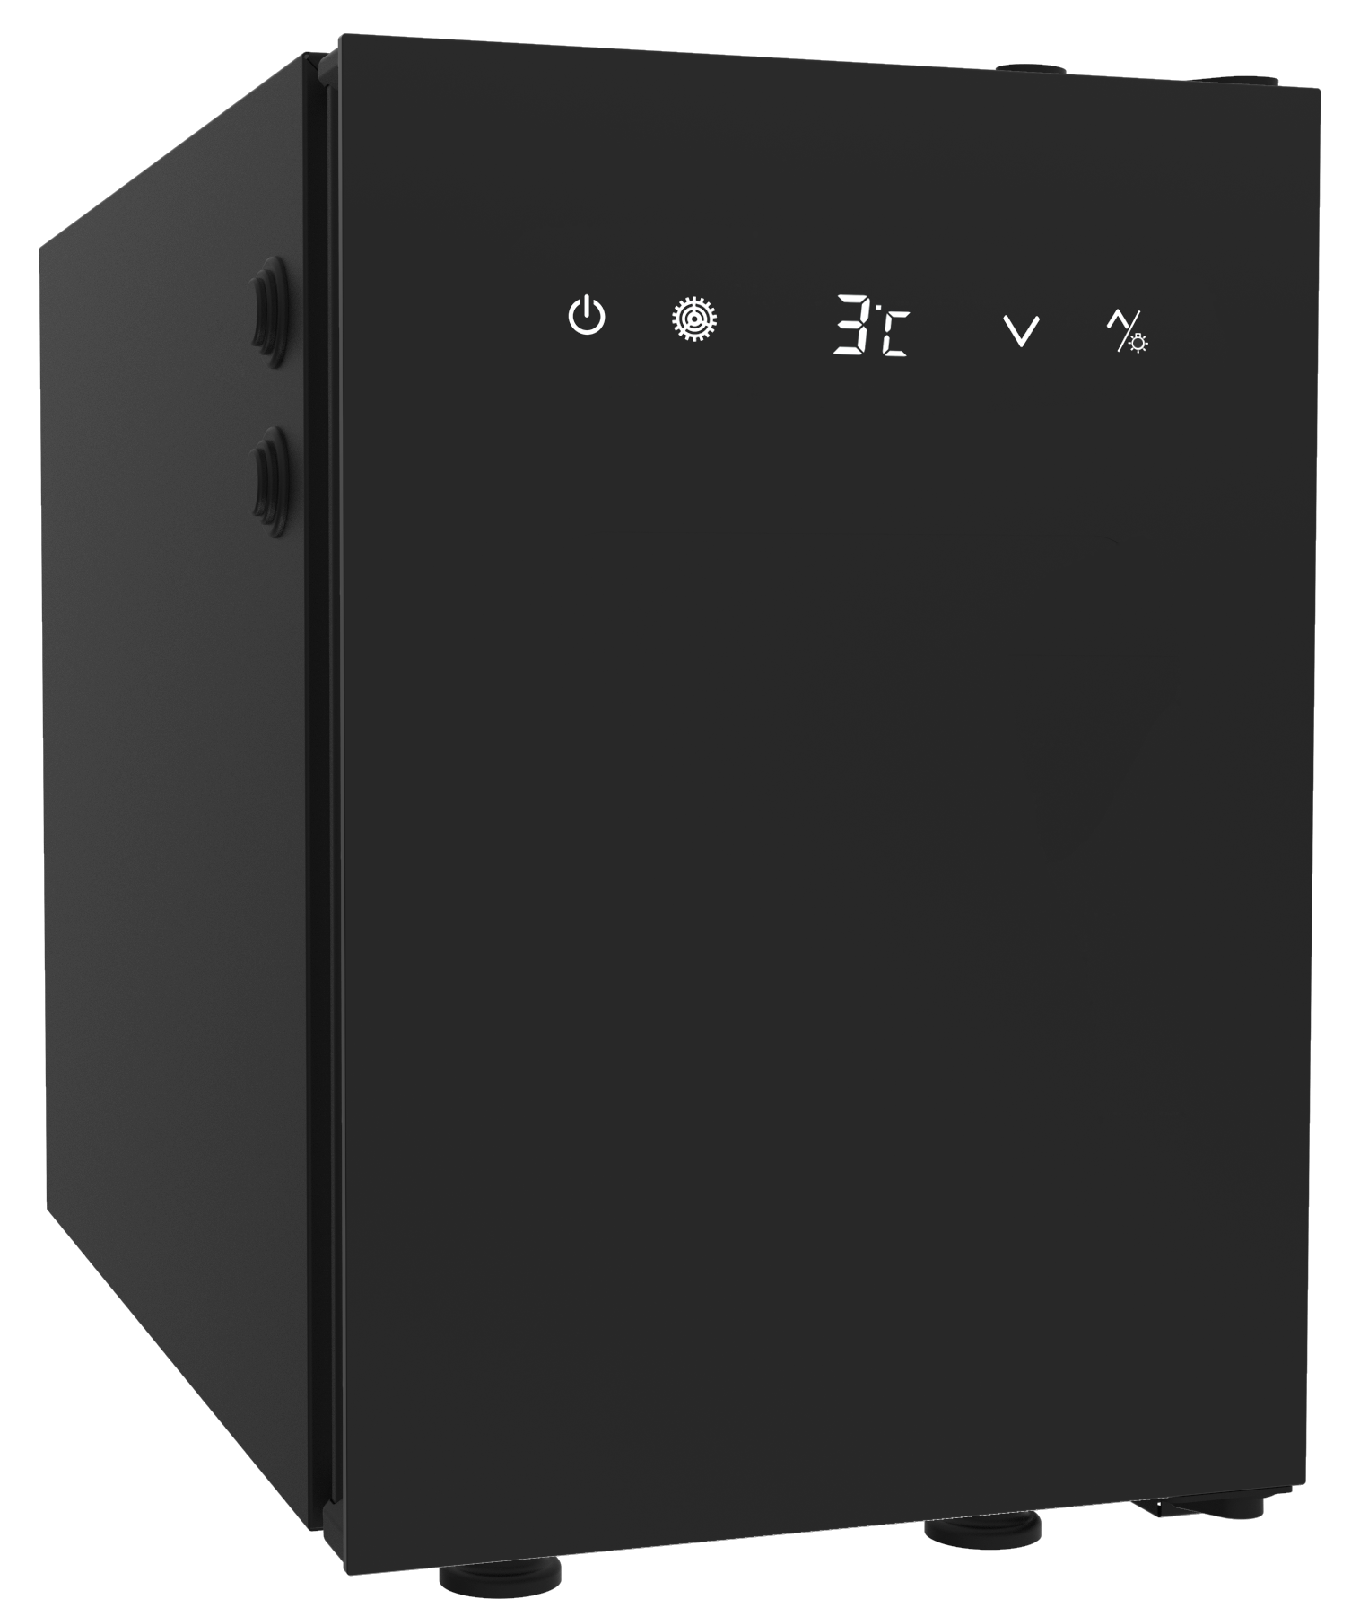 1
MC13D | 5906449366040 | 13-liter compressor milk cooler, power supply 200-240V/50Hz-60Hz, two openings on each side for inserting the milk line, internal temperature range 0-6°C with electronic control, LED interior lighting with switch, optional milk container with 4.5-liter capacity, audible and visual low milk level sensor, reversible door opening direction, R 600 refrigerant, lockable door | 15 | 23,0 x 45,0 x 45,6 | metal, plastic, glass | black | carton, 1 pc | 30,0 x 53,0 x 56,5 | 15 | 18 | 547 | 312 | 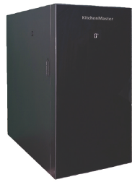 1
Milk containers for Kitchenmaster coolers made of polycarbonate approved for contact with food products
PM 2,5 | 5905311721796 | Total capacity 2.7 liters Usable capacity 2.5 liters Graduation in liters and quarts on the front of the container Includes a polycarbonate lid and an approved silicone hose for extending the coffee machine milk line tube Includes a nylon connector with a nut for mounting in the lid Set of O-rings for sealing the connection The container can be used with the following cooler models: ETC 9, MC8DAST, MC8DBST. | 0.428 | 16,0 x 17,5 x 20,0 | polycarbonate | transparent | carton, 1 pc | 18,0 x 19,5 x 22,0 | 0.428 | 0.7 | 24 | 13 | 1 | 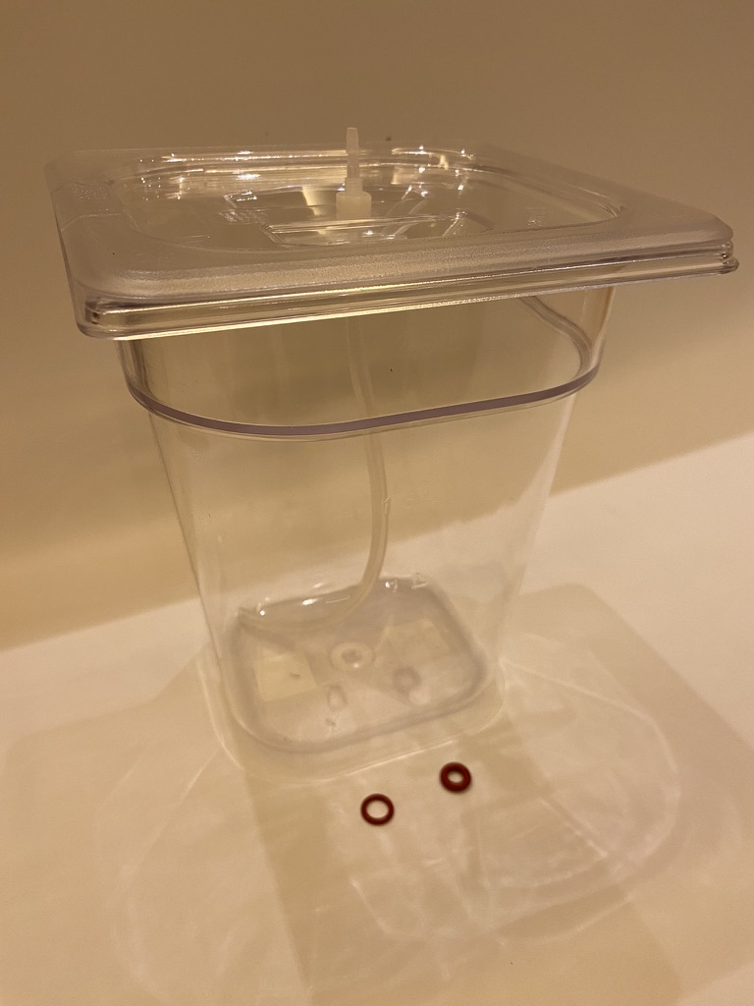
PM 4,5 | 5906449366002 | Total capacity 4.7 liters Usable capacity 4.5 liters Graduation in liters and gallons on the front and sides of the container Includes a polycarbonate lid The lid has two openings for milk lines Practical handle at the lower front for removing the container from the cooler The container can be used with the following cooler models: ETC 9, ​ BR 9, MC8DAST, MC8DBST. | 0.608 | 17,0 x 14,7 x 24,0 | polycarbonate | transparent | carton, 1 pc | 19,0 x 16,7 x 24,0 | 0.608 | 0.8 | 59 | 34 | 1 | 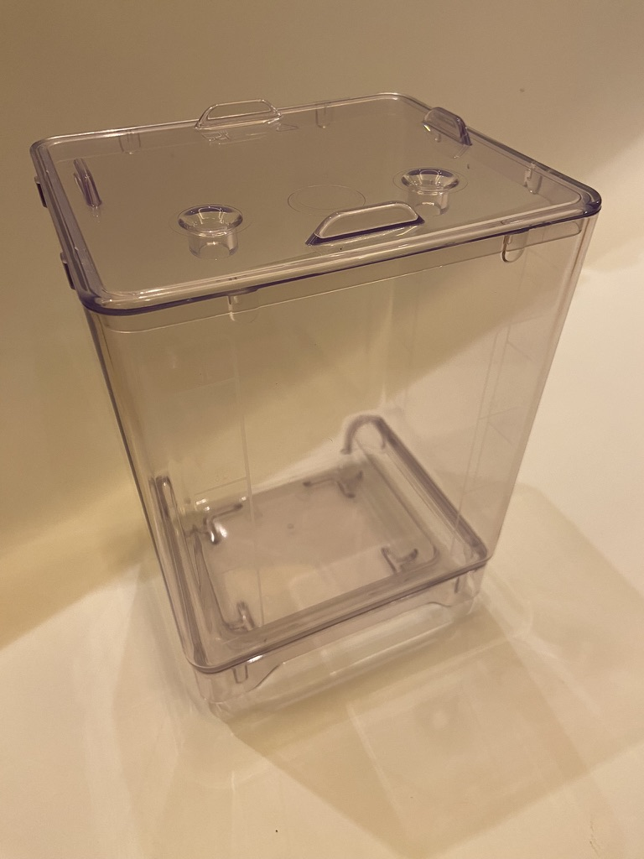
Coolers are covered by a 12-month warranty. Repair within 24 hours of sending the product to our office. Shipping cost not includet.

